Sheet1
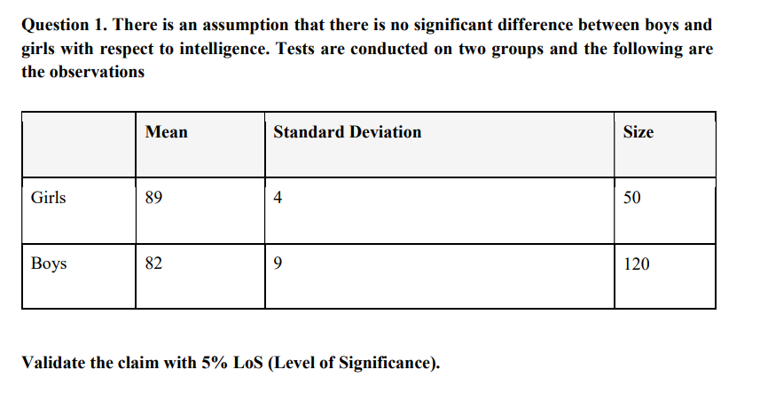
 |  | Question - 1

 |  | GIRLS |  |  |  |  |  |  | BOYS

 |  | MEAN |  | 89 |  |  |  |  | MEAN | 82
 |  | ST.DEVIATION |  | 4 |  |  |  |  | ST.DEVIATION | 9
 |  | SIZE (N) |  | 50 |  |  |  |  | SIZE (N) | 120
 |  | SIGNIFICANCE VALUE |  | 0.05 |  |  |  |  | SIGNIFICANCE VALUE | 0.05

 |  |  |  |  |  | t stats |  | 0.610180794

 |  |  |  |  |  | D.O.F |  | 168
 |  |  |  |  |  | critical t value |  | ±1.976

 |  | t calculated value is (0.610<1.976), so we fail to reject the null hypothesis

 | t<1.976, you can conclude that there is no significant difference in intelligence between boys and girls.

 |  | QUESTION - 2

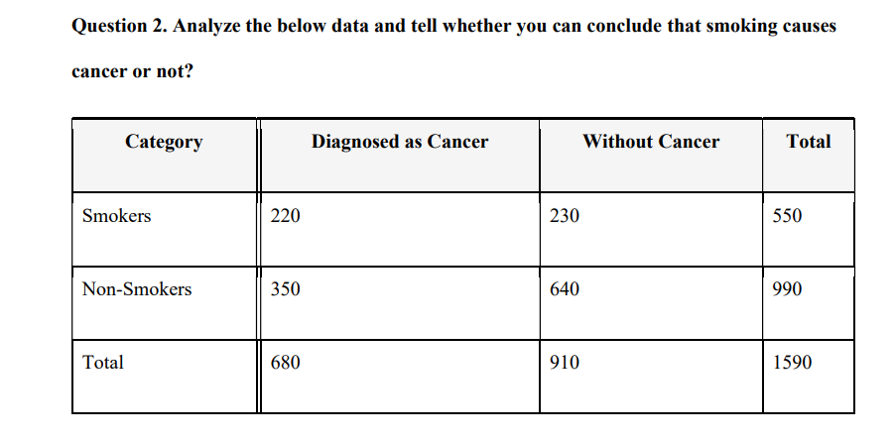

 | Observed(O) |  |  |  |  |  |  |  |  |  |  | Expected

 | CATEGORY | DIAGNOSED AS CANCER |  |  | WITHOUT CANCER |  | TOTAL |  |  |  |  | CATEGORY |  | DIAGNOSED AS CANCER |  | WITHOUT CANCER

 | SMOKERS | 220 |  |  | 230 |  | 550 |  |  |  |  | SMOKERS |  | 239.29 |  | 310.71
 | NON-SMOKERS | 350 |  |  | 640 |  | 990 |  |  |  |  | NON-SMOKERS |  | 430.71 |  | 559.29
 | TOTAL | 670 |  |  | 870 |  | 1540

 |  |  |  |  |  | EXPECTED VALUE = ROW TOTAL *COLUMN TOTAL/GRAND TOTAL

DEGREE OF FREEDOM= (NUM.OF ROW -1)*(NUM.OF COLUMNS-1)

 |  |  |  |  |  |  |  |  |  |  | (OBSERVED VALUE-EXPECTED)^2/EXPECTED (O

 |  |  | x² | 49.3
 |  |  | D.F | 1
 |  |  | P-VALUE | 2.20E-12 |  |  |  |  |  |  | CATEGORY |  | DIAGNOSED AS CANCER |  | WITHOUT CANCER
 |  |  | CHI.SQ TEST | 2.20E-12
 |  |  |  |  |  |  |  |  |  |  | SMOKERS |  | 1.554371002 |  | 20.96715928
 |  |  |  |  |  |  |  |  |  |  | NON-SMOKERS |  | 15.12556266 |  | 11.64842182

 |  |  |  |  |  |  | NULL HYPOTHESES
 |  |  |  |  |  |  | THERE IS NO ASSOCIATON BETWEEN
 |  |  |  |  |  |  | SMOKER'S AND DIAGNOSED AS CANCER

